Sheet1
Weapon Def |  | typedef struct { /* 0x00 */ const char* name; /* 0x04 */ const char* description; /* 0x08 */ s16 attack; /* 0x0A */ s16 defense; /* 0x0C */ u16 element; /* 0x0E */ u8 itemCategory; /* 0x0F */ u8 weaponId; /* 0x10 */ u8 palette; /* 0x11 */ u8 unk11; /* 0x12 */ u8 playerAnim; /* 0x13 */ u8 unk13; /* 0x14 */ u8 unk14; /* 0x15 */ u8 lockDuration; /* 0x16 */ u8 chainLimit; /* 0x17 */ u8 unk17; /* 0x18 */ u8 specialMove; /* 0x19 */ u8 isConsumable; /* 0x1A */ u8 enemyInvincibilityFrames; /* 0x1B */ u8 unk1B; /* 0x1C */ u32 comboSub; /* 0x20 */ u32 comboMain; /* 0x24 */ u16 mpUsage; /* 0x26 */ u16 stunFrames; /* 0x28 */ u16 hitType; /* 0x2A */ u16 hitEffect; /* 0x2C */ u16 icon; /* 0x2E */ u16 iconPalette; /* 0x30 */ u16 criticalRate; /* 0x32 */ u16 unk32; } Equipment; /* size=0x34 */

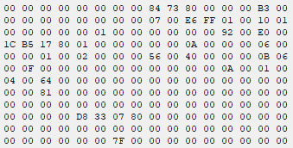
 | ← RAM 80073FD8

 |  | typedef struct { /* 00 */ const char* name; /* 04 */ const char* description; /* 08 */ s16 attBonus; /* 0A */ s16 defBonus; /* 0C */ u8 statsBonus[4]; /* 10 */ u16 unk10; /* 10 */ u16 unk12; /* 14 */ u16 unk14; /* 10 */ u16 unk16; /* 18 */ u16 icon; /* 1A */ u16 iconPalette; /* 1C */ u16 equipType; /* 1E */ u16 unk1E; } Accessory; /* size=0x20 */

